1. Title Page
INSTACART BASKET ANALYSIS

Project Name: INSTACART BASKET ANALYSIS
Date: 05/10/2023
Analyst Name: KHYLYUK IRYNA

Contents:
Population Flow
Consistency checks
Wrangling steps
Column derivations
Visualizations
Recommendations

“The Instacart Online Grocery Shopping Dataset 2017”, Accessed from www.instacart.com/datasets/grocery-shopping-2017via Kaggle on <date>.
Customer data and prices were both fabricated.

2. Population Flow
 |  | Title page

Population flow

Department - original data
Exclusion flag
Condition: max_order < 5 (low customer activity)
Obervations to be removed: 7.989.982
Final total count of final_data: 24.414.877 x 37

Total: 21 x 2

Department - wrangled

 | Total: 21 x 2

Final dataframe final_data
Orders_products_combined
Orders_products_merged
Orders_products_all

Total:32.404.859 x 14
Total: 32.640.698 x 10
Total: 32.404.859 x 33
Total: 24.414.877 x 37

1.) The grey boxes in the first row of the population flow represent the original data sets as they were when you downloaded them. In the Total fields you need to add the count of the rows when you imported the data set into Jupyter.
2.) The second row of boxes (coloured) represents the data sets after you manipulated them, e.g., removed missing values and duplicates. In the Total fields you need to add the count of the rows after conducting these operations. This offers a visual oveview of how the data flows throughout the data consistency checks.
3.) The third row, where also the arrows are coloured, represents the merges you performed between the datasets. In the Total fields you need to add the count of the rows in the merged datasets, so that you end up with the final dataset (in the red box). Keep in mind the final dataset should be without exclusions (based on the exclusion flag).

3. Consistency checks
 |  |  |  | Title page
Consistency checks

Dataset | Missing values | Missing values treatment | Duplicates
orders | 206.209 observations (NaN) in days_since_last_order | These represent new customers. Kept due to significance in df_ords | No duplicates
products | 16 observations (NaN) in product_name | 16 rows removed /created new df_prods_clean w/out missing values | 5 rows duplicates removed / created new df_prods_clean_no dups w/out duplicates
orders_products_prior | no manipulation
customers | no missing values found | no aplicable | no duplicates found
department | no missing values found | no aplicable | no duplicates found
ords_prods_merge | Outliers of 99999.0 and 14900 in prices. | Changed all 5127 rows to NaN

4. Wrangling steps
 |  |  |  | Title page
Wrangling steps

Columns dropped | Columns renamed | Columns' type changed | Comment/Reason
# Eval_set column (orders.csv) | # Order_dow to Order_day_of_week (orders.csv) | # Order_id (integer to string) | Dropping column: data irrelevant (system information) Data type: irrelevant for statistic count (don’t represent real numeric values)
 | # days_since_prior_order to days_since_last_order (orders.csv) | # User_id (integer to string) | Data type: irrelevant for statistic count (don’t represent real numeric values)
no applicable (customers.csv) | # Surnam to Surname (customers.csv) | # First Name (mix to string) | Data type: irrelevant (don’t represent real numeric values)
 | # State to US state (customers.csv) | # User_id (integer to string) | Data type: irrelevant for statistic count (don’t represent real numeric values)
 | # n_dependant to number_of_dpendant (customers.csv)
 | # fam_status to family_status (customers.csv)
First name (ords_prods_all) |  |  | Dropping column: due to PII
Surname (ords_prods_all) |  |  | Dropping column: due to PII

5. Column derivations
 |  |  |  | Title page

Column derivations and aggregations

In this tab you should add tables below that the frequences of flags/label variables that you produced after deriving them. NB: don't do this for continuous variables, only for flags.
Dataset | New column | Column/s it was derived from | Conditions
Orders_products_merged | price_range_loc | price | High-range product (price > 15) / Mid-range product (price <=15 to > 5) / Low-range product (price <=5)
 | busiest_day | orders_day_of_week | Busiest day (value == 0, Saturday )/Least busy (value == 4, Wednesday)/Regularly busy rest
 | busiest_days | orders_day_of_week | Busiest days (value == 0 and 1 , Saturday and Sunday )/Least busy (value == 4 and 3, Wednesday and Thursday)/Regularly busy rest
 | busiest_period_of_day | order_hour_of_day | Most orders (Hours 10, 11, 14, 15, 13, 12, 16, 9, and 17, all have above 200000 orders)/Fewest orders (Hours 3,4,2,5,1,0 less than 218000)/Regularly busy

df_ords_prods_merge | loyalty_flag | max_order | Loyal customer (> 40 orders)/ Regular customer (> 10 orders) / New customer (<= 10 orders)
 | spending_flag | mean_price | Low spender (< 10) / High spender (>= 10)
 | frequency _flag | median_frequency | Non-frequency customer (> 20)/Regular customer (> 10 to <=20)/ Frequent customer (<= 10)

ords_prods_all | region | US_state | Northeast = ['Maine', 'New Hampshire', 'Vermont', 'Massachusetts', 'Rhode Island', 'Connecticut', 'New York', 'Pennsylvania', 'New Jersey']
 |  |  | Midwest = ['Wisconsin', 'Michigan', 'Illinois', 'Indiana', 'Ohio', 'North Dakota', 'South Dakota', 'Nebraska', 'Kansas', 'Minnesota', 'Iowa', 'Missouri']
 |  |  | South = ['Delaware', 'Maryland', 'District of Columbia', 'Virginia', 'West Virginia', 'North Carolina', 'South Carolina', 'Georgia', 'Florida', 'Kentucky', 'Tennessee', 'Mississippi', 'Alabama', 'Oklahoma', 'Texas', 'Arkansas', 'Louisiana']
 |  |  | West = ['Idaho', 'Montana', 'Wyoming', 'Nevada', 'Utah', 'Colorado', 'Arizona', 'New Mexico', 'Alaska', 'Washington', 'Oregon', 'California', 'Hawaii']
 | customer_activity | order_number | < 5 orders 'low activity' / >= 5 'high activity'

high_activity_customers | age_group | age | <= 29 age group '18-29' / >29 to < = 39 age group '30-39'/ >39 to < =49 age group '40-49' / >49 to < = 59 age group '50-59' / > 59 to < = 69 age_group '60-69' / > 69 age_group '70 and over'
 | income_group | income | <= 75000, 'income_group' = 'Lower' / > 75000 to <= 120000 'income_group' = 'Middle' / > 120000, 'income_group' = 'Upper'
 | customer_profile | number of dependants / marital_status | Single adult' = divorced/widowed','single','living with parents and siblings' with 0 dependants / 'Young parent' = 'divorced/widowed','single','living with parents and siblings' with > 0 dependants / 'Family' = 'married' with <=2 dependants / 'Big Family' = 'married' with >2 dependants
 | department_profile | number_of orders / department | count = number_of orders / department
 | age_group_agg | age_group/day_since_last_order/price | min','max','mean' = day_since_last_order/price by age_group
 | income_group_agg | income_group/day_since_last_order/price | min','max','mean' = day_since_last_order/price by income_group
 | customer_profile_agg | customer_profile/day_since_last_order/price | min','max','mean' = day_since_last_order/price by customer_profile
 | department_customer_profile_agg | customer_profile/department/day_since_last_order/price | min','max','mean' = customer_profile/department/day_since_last_order/price
 | profile_region age_group | region/income_group/age_group | count income_group/age_group /region
 | region_customer_profile | region / customer_profile | count region / customer_profile
 | region_income | region/income_group | count region/income_group

6. Visualizations
 |  |  |  |  |  |  |  |  |  |  | Title page

Visualizations

In this tab you should include all the visualtions from Exercises 4.9 and 4.10, alongside the
questions from the project brief that they answer. Include any commentary on the relationship between different variables.

Key Q1: What are the busiest days of the week and hours of the day?

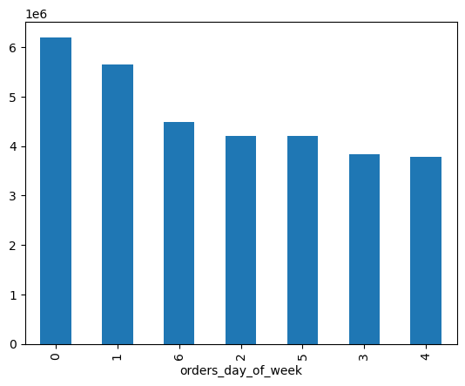

 |  |  |  | Legend
 |  |  |  | Day of week | Value
 |  |  |  | Saturday | 0
 |  |  |  | Sunday | 1
 |  |  |  | Monday | 2
 |  |  |  | Tuesday | 3
 |  |  |  | Wednsday | 4
 |  |  |  | Thursday | 5
 |  |  |  | Friday | 6

 | Observation: the busiest days of the week are Saturday and Sunday, while the least busiest days of the week are Tuesday and Wednesday. The slowest order times are between 1 and 5am. Orders rise between 5am and 9am, the peak order times are between 9am and 4pm (16), then progress downwards at approximately equal intervals until midnight (0).

Key Q2: Are there particular times of the day when people spend the most money?
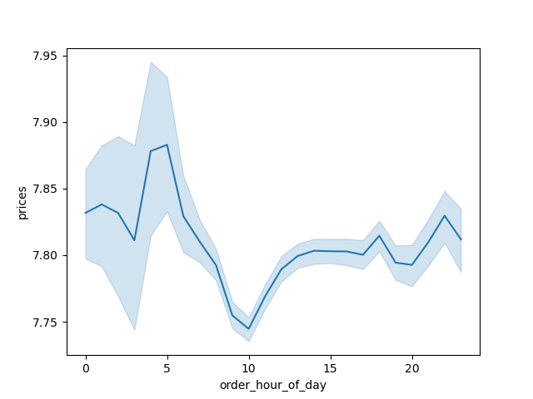
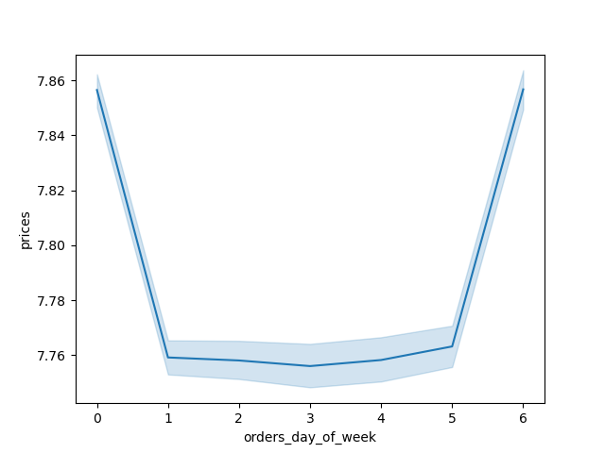

 |  |  |  | Legend
 |  |  |  | Day of week | Value
 |  |  |  | Saturday | 0
 |  |  |  | Sunday | 1
 |  |  |  | Monday | 2
 |  |  |  | Tuesday | 3
 |  |  |  | Wednsday | 4
 |  |  |  | Thursday | 5
 |  |  |  | Friday | 6

 | Observation: The highest expenditure is between 4 and 7 am and 8pm to 10pm. The lowest expenditure is between 9 and 12 am. Product prices are highest on the weekends, between Saturday and Sunday. Thursday is the lowest priced item day. *Note: Line chart created using a small random sample (70/30) from ords_prods_merged data frame.

Key Q3: What will be price range grouping to direct marketting efforts?

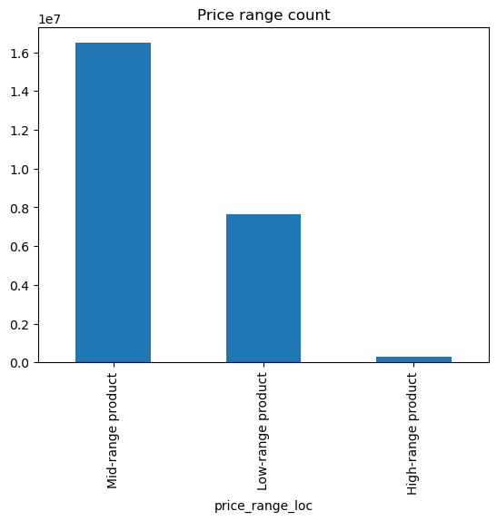

 |  |  |  | Price range grouping |  | Item price
 |  |  |  | Low-range product |  | < 5
 |  |  |  | Mid-range product |  | <=5 & <15
 |  |  |  | High-range product |  | > = 15

 |  |  |  | Price range |  | Count | % of all
 |  |  |  | Mid-range product |  | 16479445 | 67%
 |  |  |  | Low-range product |  | 7626745 | 31%
 |  |  |  | High-range product |  | 308687 | 1%
 |  |  |  |  |  | 24414877

 | Observations: The majority of items are between $2 and $15. Based on the prices counts, there are three main price groupings: low-range, mid-range and high-range products.

Key Q4: What departments have the highest frequency of product orders?

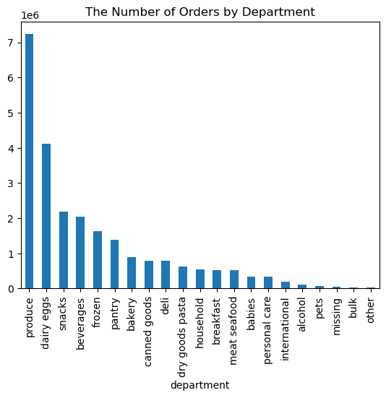
 |  |  |  | department | Count of orders | % to all |  | Observations: Produce, dairy eggs, snacks, beverages, and frozen are the top 5 departments. Produce (30%) and dairy eggs (17%) have more orders compare to all departments.
 |  |  |  | produce | 7227091 | 30%
 |  |  |  | dairy eggs | 4120488 | 17%
 |  |  |  | snacks | 2187121 | 9%
 |  |  |  | beverages | 2036447 | 8%
 |  |  |  | frozen | 1627614 | 7%
 |  |  |  | pantry | 1385375 | 6%
 |  |  |  | bakery | 883330 | 4%
 |  |  |  | canned goods | 787790 | 3%
 |  |  |  | deli | 783011 | 3%
 |  |  |  | dry goods pasta | 633725 | 3%
 |  |  |  | household | 539349 | 2%
 |  |  |  | breakfast | 524945 | 2%
 |  |  |  | meat seafood | 523890 | 2%
 |  |  |  | babies | 335947 | 1%
 |  |  |  | personal care | 328480 | 1%
 |  |  |  | international | 197900 | 1%
 |  |  |  | alcohol | 107972 | 0%
 |  |  |  | pets | 72111 | 0%
 |  |  |  | missing | 57567 | 0%
 |  |  |  | bulk | 27558 | 0%
 |  |  |  | other | 27166 | 0%
 |  |  |  | TOTAL | 24414877

Key Q5: What’s the distribution among users in regards to their brand loyalty (i.e., how often do they return to Instacart)?
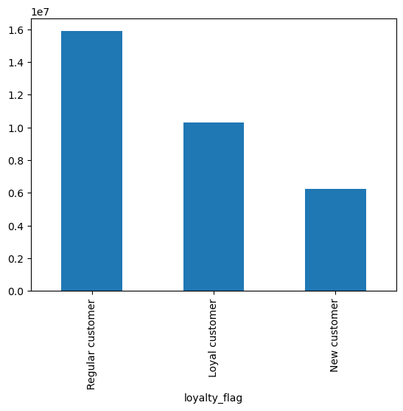

 |  |  |  | Customer group | Order count | % to all |  |  | Observations: Almost 50% of orders coming from Regular customers having return to instacart 11-40 times. Loyal customers (32%) are customers who have returned more than 40 times. Less orders from New customers (19%) who have returned 10 times or less.
 |  |  |  | Regular customer | 15876776 | 49%
 |  |  |  | Loyal customer | 10284093 | 32%
 |  |  |  | New customer | 6243990 | 19%

 |  |  |  | Loyalty grouping | Number of orders
 |  |  |  | New customer | < = 10
 |  |  |  | Regular customer | <=10 & <40
 |  |  |  | Loyal customer | > 40

Key Q6: Are there differences in ordering habits based on a customer’s loyalty status?
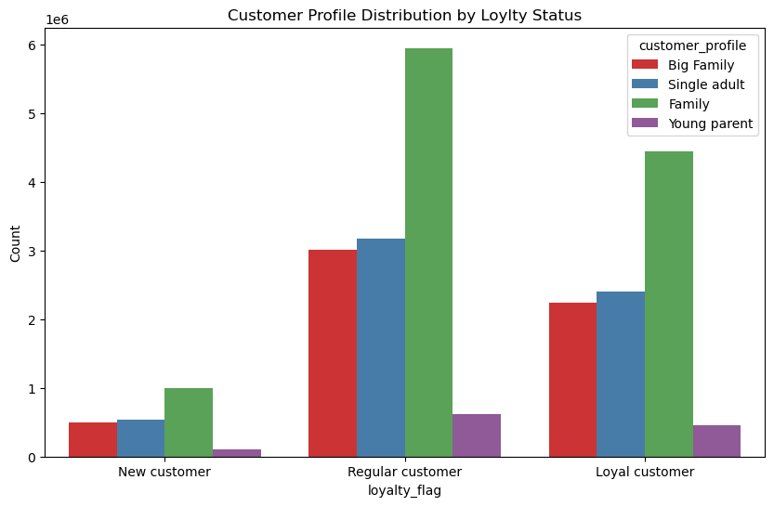
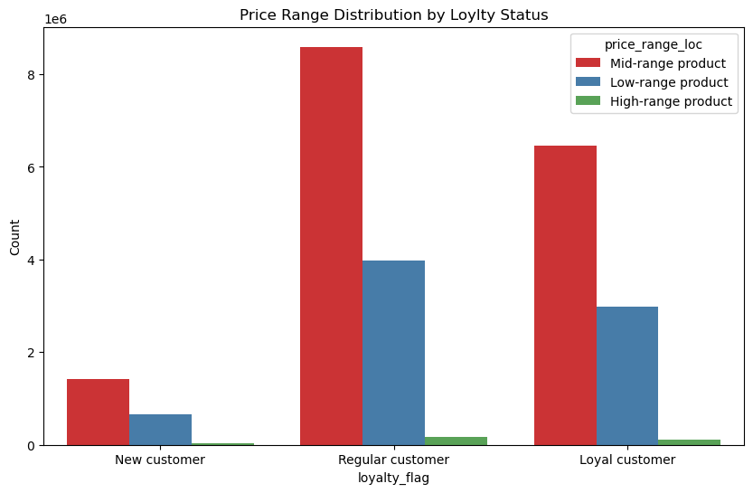

 | Observations: Families are the most active byuers thought different Loyalty status. Youngest parent is less active. |  |  |  |  |  | Observations: All three loyalty groups buy mostly Mid-range products, followed by Low-range then High-range products.
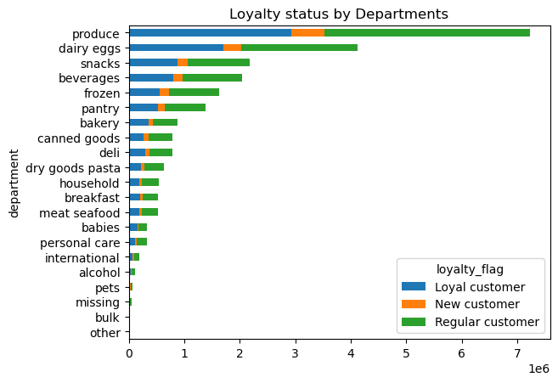

 |  |  |  |  |  |  | Observations: Each product department groups follows a very similar distribution pattern of loyalty flag, with higher frequency of regular customers and lower frequency of newer customers. However, it follows a very similar pattern to the loyalty groups of customers as well.

Key Q7: Are there differences in ordering habits based on a customer’s region?
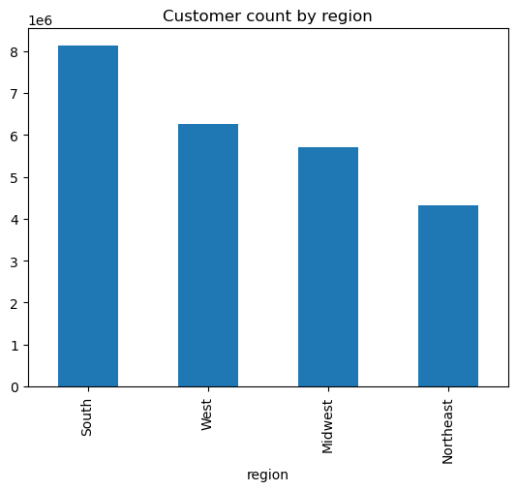
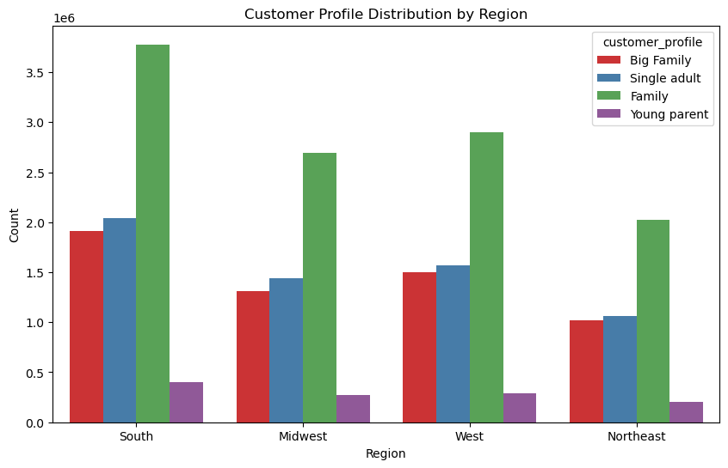

 |  |  |  | Region | Midwest | Northeast | South | West
 |  |  |  | Big Family | 23% | 24% | 24% | 25%
 |  |  |  | Family | 47% | 47% | 46% | 48%
 |  |  |  | Single adult | 25% | 25% | 25% | 26%
 |  |  |  | Young parent | 5% | 5% | 5% | 0%

 |  |  |  | Region | % of customer count
 |  |  |  | South | 33%
 |  |  |  | West | 26%
 |  |  |  | Midwest | 23%
 |  |  |  | Northeast | 18%

 | Observations: Regions show very little difference in average number of orders. The South makes up the highest percentage of orders. There does not appear to be significant differences in customer profile spending across regions. The highest number of orders coming from Families, following by Single adults and Big family, and closing by Young parent.

Key Q8: Is there a connection between age and family status in terms of ordering habits?
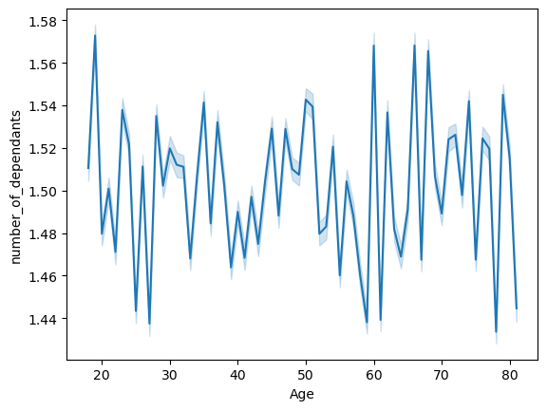

 |  |  |  |  |  |  |  | 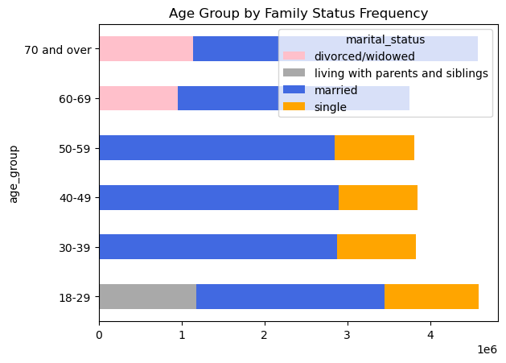

 | Observations: The chart shows that there is not a clear correlation between age and number of dependants. Line chart created using random sample (70/30) from overall data frame. |  |  |  |  |  |  | Observations: In all age groups, married have the highest frequency of orders.

Key Q9: What different classifications does the demographic information suggest? Age? Income? Certain types of goods? Family status?
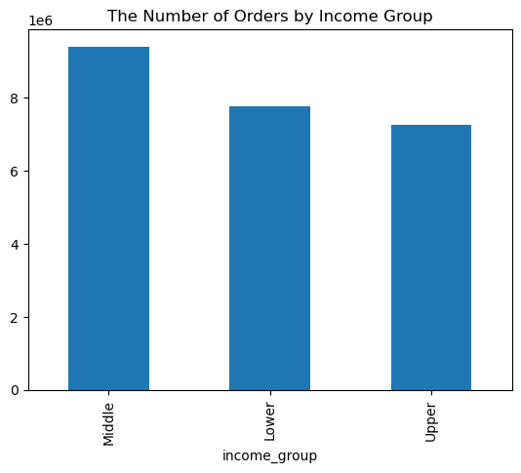


 |  |  | Income range grouping |  | income
 |  |  | Low-income |  | < 75000
 |  |  | Middle-income |  | <=75000 & <120000
 |  |  | Upper-income |  | > = 120000

 |  |  |  |  |  | Observations: Most customers make under 200,000. There appears to be two groups of income variance, one between ages 20 and 40 and another between ages 40 and 80. All of the high outliers for income are within customers above age 40. There is also a significant number of customers between age 40 and 80 who make between 200,000 and 300,000.
Observations: Customers with Middle income has most order frequency. Lower and Upper income customers has almost the same orders count.

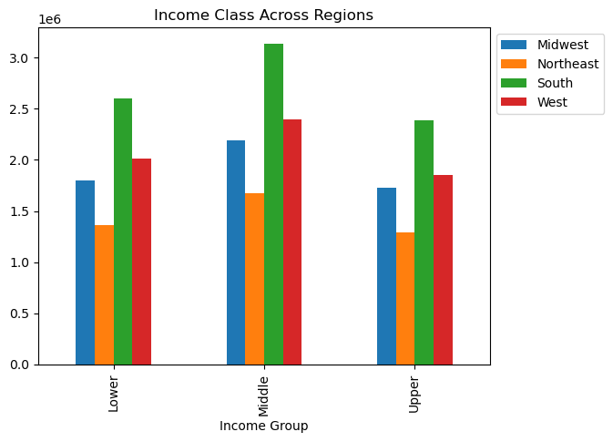

 |  |  |  |  |  | The South has the most orders across income groups.The Northeast has the least orders across income groups.

Key Q10: What differences can you find in ordering habits of different customer profiles? (Consider the price of orders, the frequency of orders, the products customers are ordering).

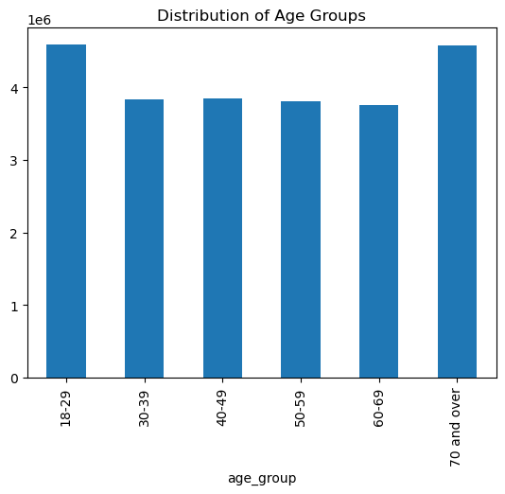
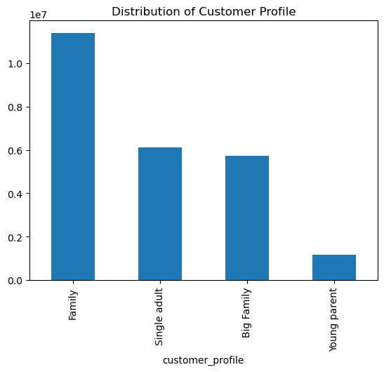

 |  | Age | Avr. days since last order | Avr. prices |  |  |  |  |  | Customer profile | Avr. days since last order | Avr. prices
 |  | 18-29 | 10 | 12 |  |  |  |  |  | Big Family | 10 | 12
 |  | 30-39 | 10 | 12 |  |  |  |  |  | Family | 10 | 12
 |  | 40-49 | 10 | 12 |  |  |  |  |  | Single adult | 10 | 12
 |  | 50-59 | 10 | 12 |  |  |  |  |  | Young parent | 10 | 11
 |  | 60-69 | 10 | 11
 |  | 70 and over | 10 | 12

Observations: The number of consumers between 18 and 29 and 70 more prevails. There are no significant difference among group of ages in ordering habits (avr. price, avr. Days since last order). |  |  |  |  | Observations: The number of consumers with family status prevails. The least is young parent. There are no significant difference among customer profile status in ordering habits (avr. price, avr. Days since last order).

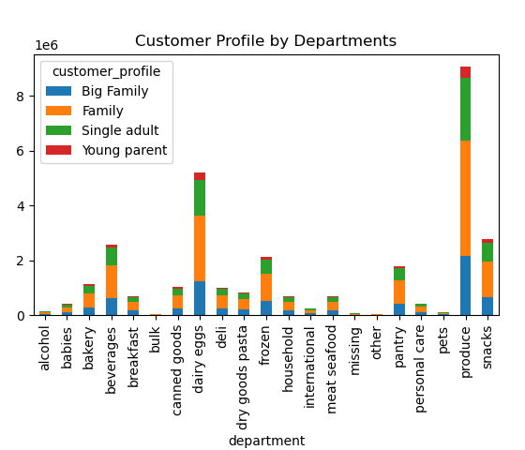
 |  |  |  |  | Observations: Family has a biggest distribution and Young parents have the smallest distribution across departments.

7. Recommendations
 |  |  | Title page

Recommendations

In this tab you should include any recommendations you would made to Instcart in terms of their marketing strategy based on the questions posed in the brief. Every key question has been covered in the Tasks of the Exercises - here you need to add an item - a visualisation or table/crosstable that is showing the answer in the data, acompanied by a comment from you. Please, list the questions below and add the answer underneath.

Questions | Insights | Recommendation
Key question 1. The sales team needs to know what the busiest days of the week and hours of the day are (i.e., the days and times with the most orders) in order to schedule ads at times when there are fewer orders. | The busiest days of the week are Saturday and Sunday. Tuesday and Wednesday are the least busiest. Monday, Thursday, and Friday are in the middle ground. The busiest hours of the day ranges from 9am to 4pm during working hours. The least busiest hours are between 10pm to 7am. | Schedule ads right before slowest days and slowest hours, for example set it up on Monday and hours during early morning 6 am and evening before 7pm.
Key question 2. They also want to know whether there are particular times of the day when people spend the most money, as this might inform the type of products they advertise at these times. | The highest expenditure is between 4 and 7am. And 8 pm to 10 pm. The lowest expenditure is between 9 and 12 am. | Run advertisements and promotions that target times where people are spending more. In this case right before 6 am and during late afternoons 7 pm when most money is spent. It will attract customers to those products.
Key question 3. Instacart has a lot of products with different price tags. Marketing and sales want to use simpler price range groupings to help direct their efforts. | The majority of items are between $2 and $15. Based on price counts there are three main group: high-range between >$15 products, mid-range items between $6-$15, and low range products below $6. Mid-range products has more frequency of orders. | Focus on ads to all customers on mid-range products.
Key question 4. Are there certain types of products that are more popular than others? The marketing and sales teams want to know which departments have the highest frequency of product orders. | Produce, dairy eggs, snacks, beverages, and frozen are the top 5 departments. This trend is tru across all regions, customers profile, income status, age group, loyalty status. Produce (30%) and dairy eggs (17%) have more orders compare to all departments. | Run promotions on items related top 5 departments. This will help to apply them to less popular departments.
Key question 5. What’s the distribution among users in regards to their brand loyalty (i.e., how often do they return to Instacart)? | Almost 50% of orders coming from Regular customers having return to instacart 11-40 times. Loyal customers (32%) are customers who have returned more than 40 times. Less orders from New customers (19%) who have returned 10 times or less. | Run promotions for new customers. For example, new customers receive a 10% discount when order 5 or more products.
Key question 6. Are there differences in ordering habits based on a customer’s loyalty status? | Each product department groups, customer profile and price range distribution follows a very similar distribution pattern of loyalty flag, with higher frequency of regular customers and lower frequency of newer customers. | Each product department groups, customer profile and price range distribution follows a very similar distribution pattern of loyalty flag, with higher frequency of regular customers and lower frequency of newer customers.
Key question 7. Are there differences in ordering habits based on a customer’s region? | Regions show very little difference in average number of orders. The South makes up the highest percentage of orders. There does not appear to be significant differences in customer profile spending across regions. The highest number of orders coming from Families, following by Single adults and Big family, and closing by Young parent. | I would recommend sending out ads, recommendations, and promotions in Northeast to boost the sales of the region. As product preference reflects similar geographic distribution, emphasis will be on top 5 departments for all regions.
Key question 8. Is there a connection between age and family status in terms of ordering habits? | The chart shows that there is not a clear correlation between age and number of dependants. In all age groups, married have the highest frequency of orders. | I would recommend increasing ads to single customers with discount incentives to increase market shares of singles.
Key question 9. What different classifications does the demographic information suggest? Age? Income? Certain types of goods? Family status? | Most customers make under 200,000. There appears to be two groups of income variance, one between ages 20 and 40 and another between ages 40 and 80. All of the high outliers for income are within customers above age 40. There is also a significant number of customers between age 40 and 80 who make between 200,000 and 300,000. Customers with Middle income has most order frequency. Lower and Upper income customers has almost the same orders count. The South has the most orders across income groups.The Northeast has the least orders across income groups. | Run promotions targeting lower and upper income customers. Run ads and promotions targeting the northeast. Since age have an even distribution across departments I would focus on the recommendation for question #8
Key question 10. What differences can you find in ordering habits of different customer profiles? Consider the price of orders, the frequency of orders, the products customers are ordering, and anything else you can think of. | The number of consumers with family status prevails. There are no significant difference among customer profile or group of ages in ordering habits (avr. price, avr. days since last order). Young parents have the smallest distribution across departments. | I would recommend maintaining a similar marketing strategy focusing more on Northeast USA, young parent and single adults who have lowest market share as well lower and uooer income customer. New targeted ads campaign should run on Mondays outside working hours before 6 am and after 7 pm. Here are the following highlights that should be emphasized in the recommended marketing campaign: 1. Products from top 5 departments: produce, dairy eggs, snacks, beverages, and frozen 2. Mid range price products 3. Discounts, promos, and incentives when customers hit 10 orders mark (for New customer) and 40 orders mark (for Loyal customer) when customer loyalty status changes.

